Bug Report
Bug Id | Test Case Id | Summary | Test Steps | Expected Result | Actual Result | Status | Severity | Priority | Reported By | Assigned To | Attachement
Bug Id 1 | IFSC_5 | In Search By IFSC Code page Sub Heading is displaying as 'Enter 11 character IFSC Code' instead of "Enter 11 characters IFSC Code" | 1.Enter the URL "WWW.bankifsccode.com" 2.Click on the 'Search By IFSC Code' option from Home page 3.Verify the Sub Heading | The Sub Heading should display as 'Enter 11 characters IFSC Code' in the Search By IFSC Code page | Sub Heading is displaying as 'Enter 11 character IFSC Code' instead of "Enter 11 characters IFSC Code" | New | Low | Low | Ashitha | Lakshmi | 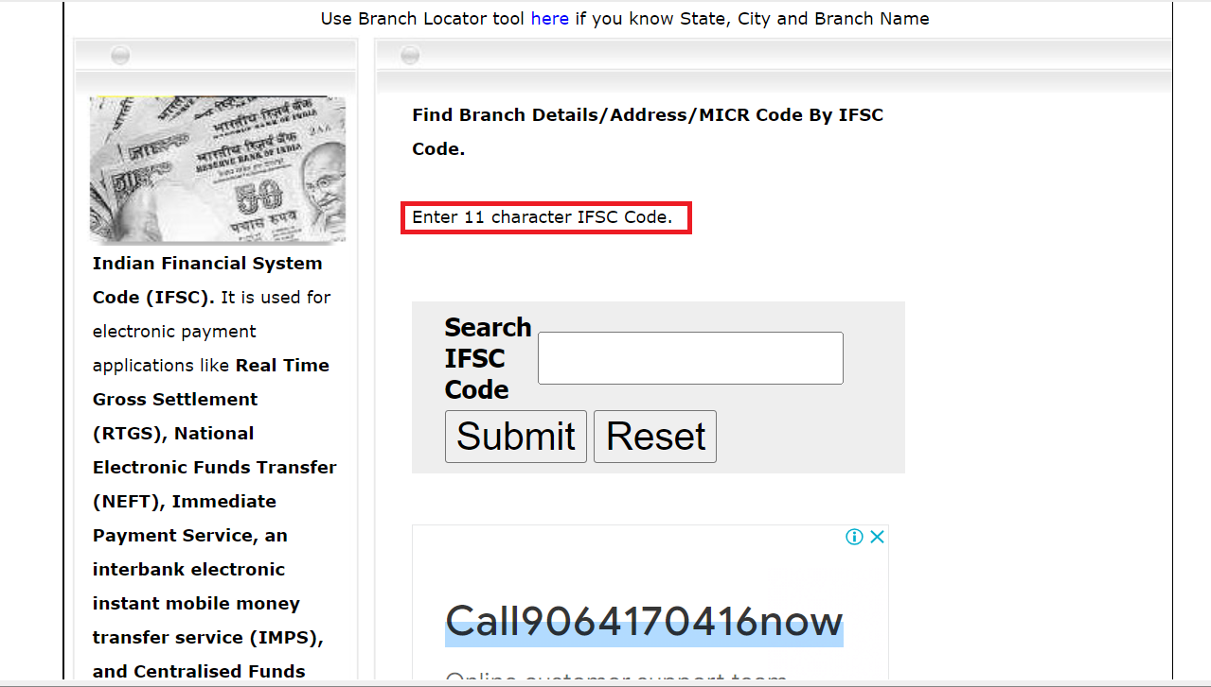
Bug Id 2 | IFSC_7 | In Search By IFSC Code page 'Submit' Button is displaying in the Search By IFSC Code page instead of 'Search' button. | 1.Enter the URL "WWW.bankifsccode.com" 2.Click on the 'Search By IFSC Code' option from the Home page 3.Verify the 'Search' Button | Search' Button should be displayed in the Search By IFSC Code page | Submit' Button is displaying in the Search By IFSC Code page instaed of 'Search' button. | New | Low | Low | Ashitha | Lakshmi
Bug Id 3 | IFSC_10 | In Search By IFSC Code page No message displayed if 'Invalid IFSC Code' is entered | 1.Enter the URL "WWW.bankifsccode.com" 2.Click on the 'Search By IFSC Code' option from 3.Enter the 'Invalid IFSC Code' 4.Click on the 'Search' Button | “Invalid IFSC Code” message should be displayed if invalid IFSC code is given | No message displayed if 'Invalid IFSC Code' is entered | New | Medium | Medium | Ashitha | Lakshmi | 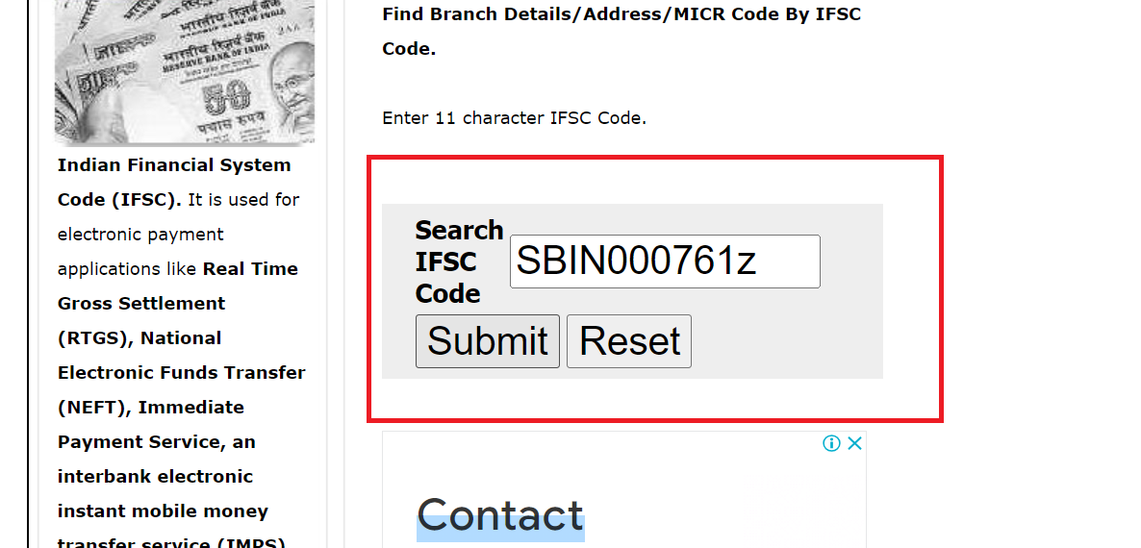
Bug Id 4 | IFSC_11 | In Search By IFSC Code page “Do you want to clear the entered IFSC code?” message is not displayed when 'Reset' Button is clicked | 1.Enter the URL "WWW.bankifsccode.com" 2.Click on the 'Search By IFSC Code' option 3.Click on the 'Search' Button without entering IFSC Code | Message "Do you want to clear the entered IFSC Code?" with 'Yes' & 'No' options message should be displayed when click on the 'Reset' Button | “Do you want to clear the entered IFSC code?” message is not displayed when 'Reset' Button is clicked | New | Medium | Medium | Ashitha | Lakshmi | 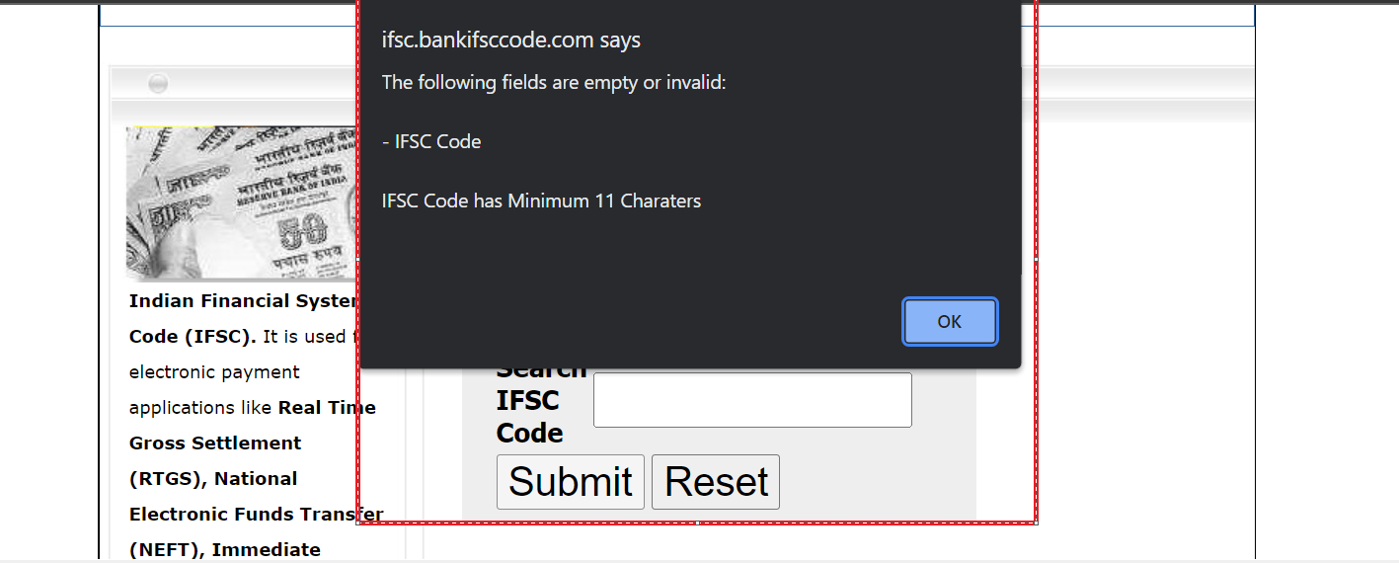
Bug Id 5 | IFSC_12 | In Search By IFSC Code page “Do you want to clear the entered IFSC code?” message is not displayed when 'Reset' Button is clicked | 1.Enter the URL "WWW.bankifsccode.com" 2.Click on the 'Search By IFSC Code' option from Home page 3.Enter 'Valid/Invalid' IFSC Code 4.Click on the 'Reset' Button | Message "Do you want to clear the entered IFSC Code?" with 'Yes' & 'No' options message should be displayed when click on the 'Reset' Button | “Do you want to clear the entered IFSC code?” message is not displayed when 'Reset' Button is clicked | New | High | High | Ashitha | Lakshmi | 